Sheet1
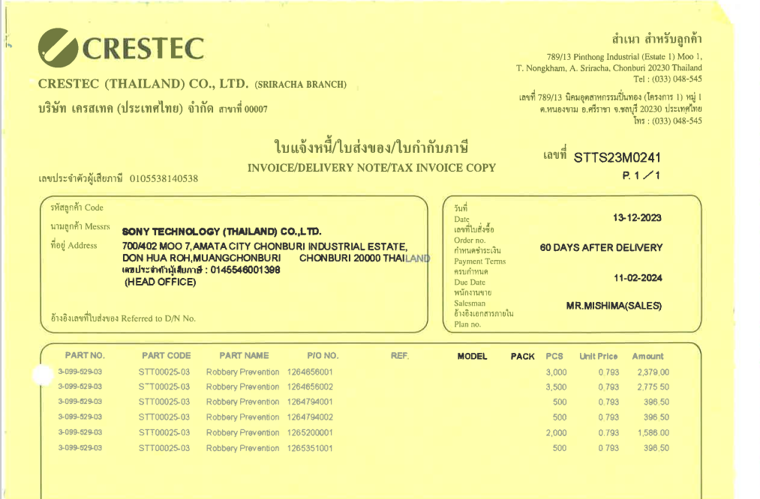

INVOICE_NO

ITEM_NO
QTY
UNIT_PRICE
PO_NO
AMOUNT

